TEMPLATE ES Solutions
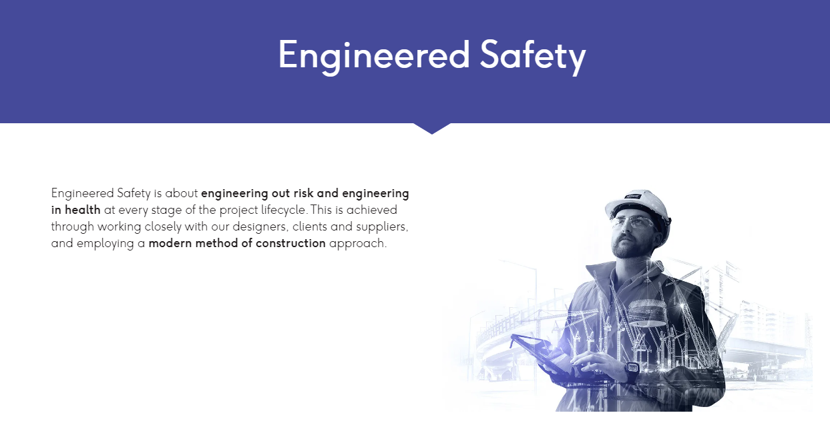
Display | Display | Embedded | Display & Change to "Area" | Display & Change to "Sub Area" | Display & Change to "Title" | Display | TBC leaning on Embedded but do we lose searchability | Display | Display | Embedded | Embedded | Embedded | Embedded

Engineered Safety is about engineering out risk and engineering in health at every stage of the project lifecycle. This is achieved through working closely with our designers, clients and suppliers, and employing a modern method of construction approach.

Examples in grey Cells can be deleted.
Project | ID | Date raised | Project Scope | Discipline | Filterable key word | Status | Brief Description | Relevant FSRs | Health benefit | Current Action | Action due | Main Contact Name | Comments
Byford Rail Extension | BRE001 | 2024-08-11 | Linewide | Civil | Drainage | Concept | Challenge Spec to use precast drainage headwalls instead of insitu headwalls formwork fixing, steel tying and concrete placement activities | FSR Excavation FSR Formwork & Falsework FSR Cranes and Lifting | Eliminate manual task of forming & reo install for in situ pours. | Tim McLaughlin to obtain further information required on Client appetite to approve. | 2024-12-12 | Tim Mclaughlin
Byford Rail Extension | BRE002 | 2024-08-20 | Stations | Station structures | Platform walls | In Progress | Platform walls change from precast with insitu cantilevering slab to full precast Z shape panel. Panels designed to be self supporting during backfill and in a way that eliminates the need stitch pours. Results in less temporary works requirements and increased programme effeciency. | FSR Formwork & Falsework | Eliminate manual task of forming & reo install for in situ pours, also drilling & fitting precast props. Simplifies crane install. | Proposal supported to progress and implement as trial for Area 2 to be championed by Fred Flintstone | 2025-02-12 | Fred Flintstone | Opportunity supported for further implimnentation and allocated to Fred Flintstone for further work
Byford Rail Extension | BRE003 | 2024-11-01 | Linewide | Track | Rail - noise walls | Unfeasable | Expanding rail damper quantites to reduce noise walls along the alignment | FSR Piling FSR Cranes and Lifting |  | Sally thompson to add to project Lessons learnt register | 2025-02-12 | Sally Thompson | Reviewed idea but implimentation at this stage in the project will be cost prohibitive. To be added to lessons learnt for future projects
Byford Rail Extension | BRE004 | 2025-01-01 | Viaduct | Piling | Piles | Implemented | Large reduction in pile break back as piles were overpoured and excess concrete removed while wet rather than traditional breaking back / cropping | FSR Cranes and Lifting FSR Excavation FSR Plant and Equipment | Eliminate manual handling, hearing & vibration due to manually breaking back concrete. | George Jetson to prepare slides and share with ES forum. | NA | George Jetson | ES share slide prepared & saved in ES folder. Traditional cropping & Breakback involves drilling, breaking, pinch points, dust, lifting. Manual handling
Byford Rail Extension | BRE005 | 2025-01-01 | Viaduct | Structures | Scaffolding | Identified | Design and third party cert for viaduct access scaffolding to allow the towers to be cranable - reduces WAH for re assembling (tho high risk for lifting) | FSR Working at Height |  | Table at Monthly Project ES review meeting | 2025-01-14 | Joe bloggs | Suggestion in prestart

